SAMPLE BILLS
 | Household Energy Calculator

SAMPLE BILLS

Synergy (Electricity Metro) |  | Horizon Power (Electricity Regional)
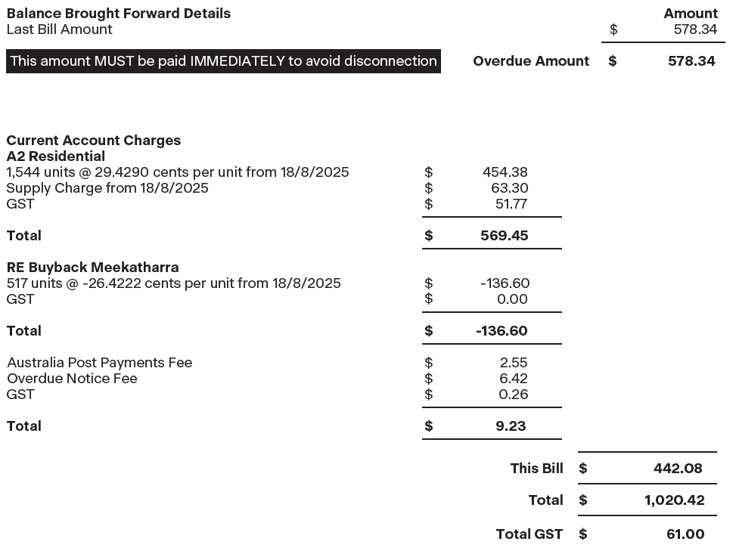

Alinta (Gas)

